Sheet1
Overview of the complete training process (used #bins=2 here)

 | Data Processing & Transition matrix creation
$$\left[\begin{matrix}P(0→0) & P(0→1) \\ P(1→0) & P(1→1)\end{matrix}\right]$$
for timestep taking values: Tk=[1,2,10,30...]
(These distributions need to be learnt by our model.)
Actual Data
(Continuous)
[0,0,1,0,1,1,1,0,0,...]
Create Transition matrix

Quantum Model (Parameterized Ansatz)
Model parameters : {θ,γ}
Model Output:
[ P(current state -> 0), P(current state -> 1) ] using Pennylane's qml.probs()
Compute KLDiv Loss between target transition matrix probabilities and model predicted probabilities
 |  |  |  | Model Training ( Learning the transition matrix probability distribution for different timesteps )
 |  | Repeat untill convergence
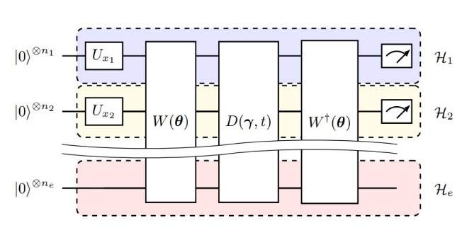

Initialize parametres
Input:
[ Current state |i>, transition step (k),
Transition matrix for step k with current state as |i>

Backpropagation
Compute gradients

 |  |  | Single Shot Readout for generating time series from trained model
Model Output: returns the probability for all possible transitions from current state in timestep t, i.e.
For all timestep t ϵ {1,2,3,...,T} -
[$\begin{matrix} P\left(state\left(t=0\right)→|0> \right| t) & P\left(state\left(t=0\right)→|1> | t\right) ] \end{matrix}$
Final prediction of state at timestep t:
state with max probability as output by the model i.e.
argmax ( Model output list )
Input:
|State(t=0) >
Trained Quantum Model with final parameters as {θ*,γ*}

